Sheet1
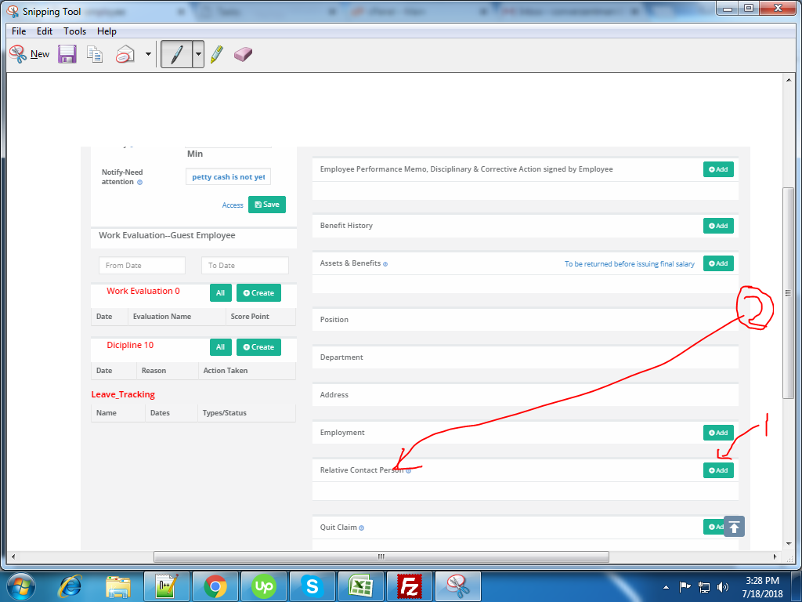
url link :http://uplushrms.peza.com.ph/employees/edit_employee/174
task : data not show properly
no.1 ->click here to add some data
no.2 click here to show your adding data here but its not same

